General Instructions
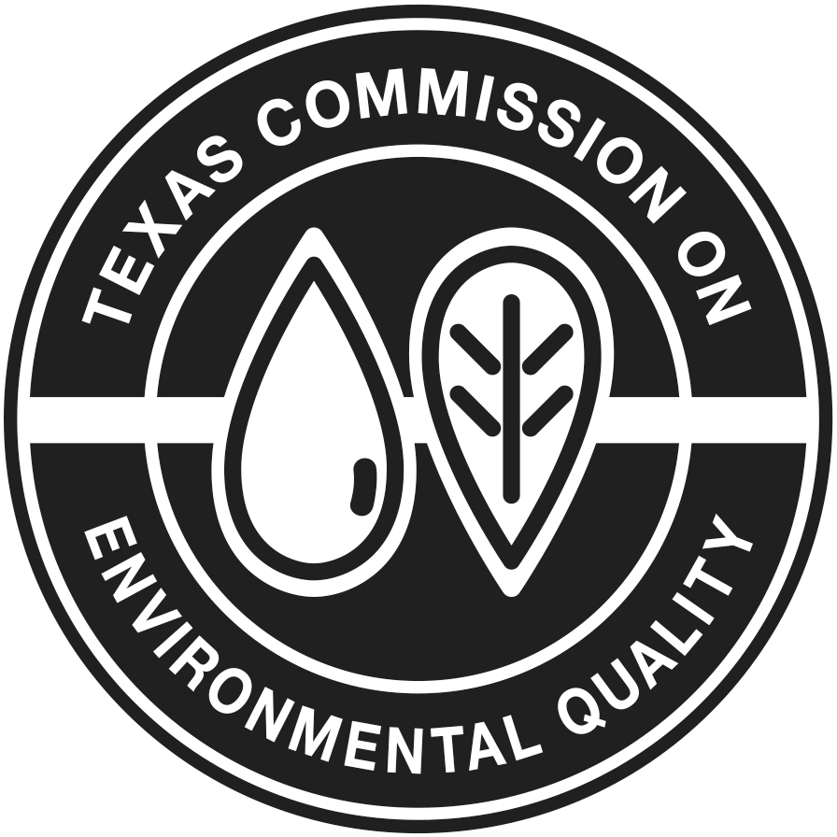 TEXAS COMMISSION ON ENVIRONMENTAL QUALITY
Regional Solid Waste Grants Program
Regional Council of Governments Application (Attachment 1 of the Contract)
General Instructions
This document provides the forms that must be completed and submitted by each Council of Governments (COGs) in order to apply to the TCEQ for the Regional Solid Waste Grants Program (RSWGP) funds.
The budget and authorization forms must be completed to show the overall budget and the more detailed expenses proposed under each applicable budget category. The best way to complete the application is to complete each budget category as needed. Each budget category is linked to budget Form 5 and will auto populate this form. Once the application is approved, the forms will become a binding part of the grant contract. Once the contract is executed, any changes to this information must be requested in accordance with the contract terms. The COGs will be expected to submit revised forms with the changes noted.
This document consists of instructions and blank application forms to be completed by the COG. Please review the detailed instructions in each application form before completing the form. The application forms should be completed, including the required signatures and resolution by the COG governing body. Please send a signed PDF file of the original application and the excel workbook to Jessica.Uramkin@tceq.texas.gov Please fill out the review checklist on the final tab before submitting to TCEQ.
Prepared by
Office of Waste - Waste Permits Division

