Funding Programs + TERP
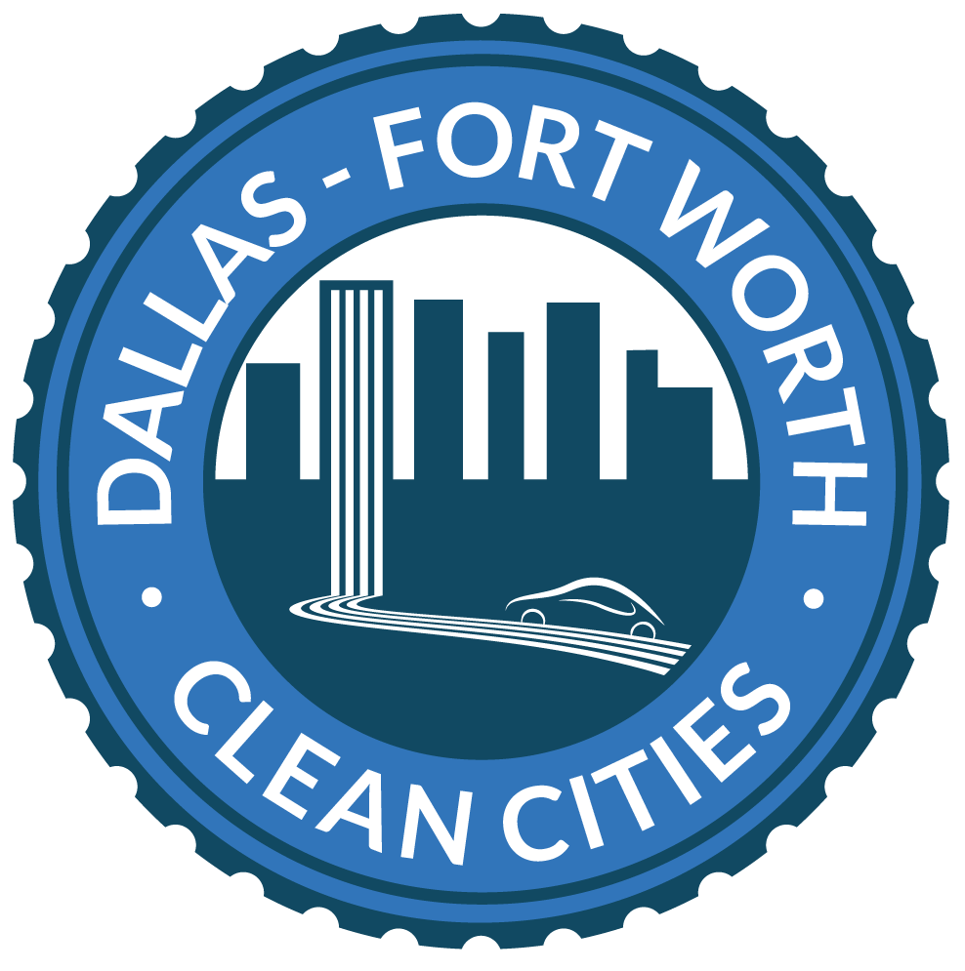
Grants for Fleet Vehicles, Infrastructure, and Energy Efficiency Projects
Available at https://nctcog.org/aqfunding |  |  |  | Last Updated: June 10,2026
State and Local Vehicle Funding
Funding Agency | Program | Typical Schedule | Eligible Applicants | Eligible Activities | Old Vehicle Criteria* | Eligible Funding Levels | Funding Type | Scrappage Required?
North Central Texas Council of Governments (NCTCOG) | North Texas Diesel Emissions Reduction Call For Projects (NCTCOG CFP) | Open; Applications due June 12,2026 | Public or private entities/individuals | Replace Class 5 to 8 medium and heavy-duty vehicles, non-road engines, construction equipment or vehicles, handling of cargo, agriculture, mning, or energy production, transport refrigeration units, locomotive engine replacement and locomotive shorepower connections systems, and more | Fuel: Diesel Weight: Over 16,001 lbs. GVWR | Up to 45% for zero-emission vehicle Up to 35% for CARB Low NOX Vehicle Up to 25% for all other fuels | Vehicle | Yes
NCTCOG | North Texas Zero Emissions Vehicles Project (NTxZEV) | Open: Applications due every 3rd Friday | Public or private entities/individuals | Replace non-zero emission (gasoline, diesel, propane, and natural gas) Class 6 & 7 vocational vehicles with hydrogen or battery-electric vehicles | Fuel: Diesel, gasoline, natural gas, propane Weight: 19,501 to 33,000 lbs GVWR | Battery-Electric Vehicle: 33% to 75% of new vehicle Hydrogen-Fuel Cell Vehicle: 60% to 80% of new vehicle | Vehicle | No
Texas Commission on Environmental Quality (TCEQ) | TERP Emissions Reduction Incentive Grants (ERIG) | Open: Applications due September 4, 2026 | Public or private entities/individuals | - Replace, upgrade new purchase or lease, or retrofit or add-on of emission-reduction technology, non-road equipment, locomotives, or marine vessels - Install on-vehicle electrification, refueling infrastructure (not diesel or gasoline), on-site electrification and idle reduction infrastructure, or rail relocation and improvement | Varies depending on vehicle type | Up to 80% of the replacement or repower vehicles incremental cost not to exceed the cost per ton (CPT) of NOx reduced, and up to 50% of the incremental cost of the refueling infrastructure that does not exceed CPT of NOx reduced. Marine and Locomotive Projects:$20,000 CPT Stationary & Non-Road Equipment Projects: $35,000 CPT | Vehicle (can include infrastructure) | Yes
TCEQ | TERP Governmental Alternative Fuel Fleet Grant Program (GAFF) | Closed | Public entities who operate a fleet of more than 15 motor vehicles | - New purchase or lease of light-duty or heavy-duty vehicle powered by CNG, LNG, LPG, hydrogen, or electricity, including plug-in hybrid vehicles | N/A | Class 1 Vehicles - $17,000 Class 2-3 Vehicles - $23,000 Class 4-6 Vehicles - $40,000 Class 7-8 Vehicles - $80,000 Up to 10% of funds may be used to purchase, lease, or install refueling infrastructure, equipment, or services | Vehicle (can include infrastructure) | No
TCEQ | TERP Light-Duty Motor Vehicle Purchase or Lease Incentive Program (LDPLIP) | Closed | Public or private entities/individuals | - Purchase or lease new light-duty EV, PHEV, FCEV, CNG or LPG vehicle. | N/A | Up to $5,000 for eligible CNG or LPG Up to $2,500 for EV, PHEV, or FCEV Vehicles | Vehicle | No
TCEQ | TERP Rebate Grants Program | Open: Applications due May 28, 2026 | Public or private entities/individuals | - Replace or repower heavy-duty vehicles or equipment | Fuel: Diesel Weight: Over 8,500 lbs. GVWR | Up to 80% of new replacement vehicle or engine minus $1,000 scrap for replacements and $250 scrap for repowers | Vehicle (can include infrastructure) | Varies
TCEQ | TERP Texas Clean Fleet Program (TCFP) | Closed | Any entity/individual who owns a fleet of at least 75 vehicles and submits a grant application for at least 10 qualifying vehicles | - Replace diesel powered vehicles with alternative fuel or hybrid vehicles | Fuel: Diesel | Up to 80% of the new replacement vehicle or engine minus $1,000 scrap for heavy-duty vehicles and $500 scrap for light-duty vehicles | Vehicle | Yes
TCEQ | TERP Texas Hydrogen Infrastructure, Vehicle, and Equipment Grant Program (THIVE) | Closed | Public or private entities/individuals | - Replace, repower, or purchase hydrogen powered vehicles -Purchase infrastructure | Weight: Over 8,501 lbs. GVWR | Eligible new purchases, replacements or repowers may request up to 100% of the incremental cost of the purchase of the new vehicle or repower. Eligible refueling infrastructure projects are eligible for up to 50% of incremental costs. | Vehicle and Infrastructure | Varies
TCEQ | TERP Texas Natural Gas Vehicle Grant Program (TNGVGP) | Closed | Public or private entities/individuals | - Replace or repower a heavy-duty or medium-duty motor vehicle with a CNG, LNG, or LPG engine or vehicle | Fuel: Diesel or gasoline Weight: Over 8,500 lbs. GVWR | Up to 90% of the new replacement vehicle or engine minus $1,000 scrap for replacements and $250 scrap for repowers | Vehicle | Yes
TCEQ | TxVEMP All-Electric Grant Program | Open; Applications due August 31, 2026 | Public or private entities/individuals | -Replacement or repower of eligible heavy-duty diesel vehicles or equipment with all-electric versions; can include infrastructure | Fuel: Diesel Weight: Over 14,001 lbs. GVWR | Up to 100% of the incremental cost of the project for government entities Up to 75% for nongovernmental entities | Vehicle, Infrastructure | Yes
Federal Vehicle Funding
Funding Agency | Program | Typical Schedule | Eligible Applicants | Eligible Activities | Old Vehicle Criteria* | Eligible Funding Levels | Funding Type | Scrappage Required?
Environmental Protection Agency (EPA) | Diesel Emissions Reductions Act (DERA) National Grants | Closed | Public entities; Private sector can engage through public-private partnerships | - Replace or retrofit heavy-duty vehicles or equipment | Fuel: Diesel Model Year: Older - 2009 (newer than 2010 if replacing with electric) Weight: 16,001 pounds (lbs.) GVWR and up | Up to 45% cost if new vehicle is electric; up to 60% for repowers Up to 35% cost if new is powered by engine certified to CARB optional low-NOx standards (both NG and LPG engines currently available); up to 50% for repowers Up to 25% cost for all others; up to 40% for repowers | Vehicle (can include infrastructure) | Yes
EPA | DERA State Grants | Closed | States | Allocates DERA funds to eligible U.S. States and territories for the establishment of diesel emissions reduction programs. States can prioritize specific eligible diesel emissions reduction solutions under DERA, including the replacement of heavy-duty diesel vehicles with EVs | Fuel: Diesel Model Year: Older - 2009 (newer than 2010 if replacing with electric) Weight: 16,001 lbs. GVWR and up | States granted 30% of annual DERA apportionment. | Vehicle and Infrastructure | Yes
Federal Aviation Administration (FAA) | Voluntary Airport Low Emissions Program | Open, pre-application deadline of November 1 each year | Public agencies, Tribes, and private airport owners/operators in non-attainment areas | Improves airport air quality and provides air quality credits for future airport development, airport sponsors can use funds to finance low emission vehicles, refueling and recharging stations, gate electrification, and other airport air quality improvements. Eligible parties must be Commercial airport sponsors that are in the NPIAS and located in areas that do not meet National Ambient Air Quality Standards. | N/A | Funding based on passenger capacity; proof of matching funds required. Funds available vary by year. | Vehicle and Infrastructure | N/A
Federal Highway Administration (FHWA) | Federal Land Access Program | Closed (Open in Oreogn and Texas) | States, Tribes, Localities | Aims to improve transportation to and within Federal lands by improving transportation facilities that provide access to, are adjacent to, or are located within Federal lands. | N/A | Funding varies by State | Vehicle and Infrastructure | No
FHWA | Federal Lands Transportation Program | Open | Federal Land Management Agencies | The program focuses on improving Federal lands transportation facilities that are located on, adjacent to, or provide access to Federal lands and which are owned and maintained by Federal land management agencies. Funds are distributed to Federal land management agencies. | N/A | Project max is $10 million | Vehicle and Infrastructure | No
FHWA | National Highway Freight Program | Closed | States | Funds projects that improve the efficient movement of freight on the National Highway Freight Network. | N/A | Up to 30% funding for eligible projects | Vehicle and Infrastructure | No
FHWA | Transportation Alternatives (set aside of Surface Transportation Block Grant Program) | Open, Funding available 2022-2026 | States, Localities, Regional Transportation Authorities, Transit Agencies, Public Lands, School Districts and Schools, Tribes, metropolitan planning organizations (MPOs) | Provides funding for a variety of generally smaller-scale transportation projects such as pedestrian and bicycle facilities, construction of turnouts, overlooks, and viewing areas, community improvements such as historic preservation and vegetation management, environmental mitigation related to stormwater and habitat connectivity, recreational trails, safe routes to school projects, and vulnerable road user safety assessments. | N/A | $1.4 billion set aside for 2026, 80% up to 100% funding for projects that increase safety | Pedestrian, Bike, and Micro mobility | N/A
Federal Transit Administration (FTA) | Electric or Low Emitting Ferry Grant Program | Closed | States, Tribes, Localities, Transportation Providers, Nonprofits, and rural areas | The Bipartisan Infrastructure Law establishes an Electric or Low-Emitting Ferry Pilot Program that makes federal funding available to support the transition of passenger ferries to low or zero emission technologies. | N/A | Federal share will not exceed 80% to 90% of cost for relevant projects. $97.6 million awarded FY 2022-2023 | Vehicle (Ferry) | No
FTA | Enhanced Mobility of Seniors and Individuals with Disabilities | Closed | States | Provides formula funding to States for the purpose of assisting private nonprofit groups in meeting the transportation needs of older adults and people with disabilities when the transportation service provided is unavailable, insufficient, or inappropriate to meeting these needs. Subrecipients include states or local govts, private nonprofit groups, or public transportation providers. | N/A | Funding available through FY 2022-2026 | Vehicle and Infrastructure | No
FTA | Formula Grants for Rural Areas | Closed | States, Tribes | Provides capital, planning, and operating assistance to States to support public transportation in rural areas with populations of less than 50,000, where many residents often rely on public transit to reach their destinations. State and Tribes receive formula funding, then redistribute funds to projects in rural areas. | N/A | Funds 80% of capital projects and ADA eligible transportation projects, and 50% for operating expenses | Vehicle and Infrastructure | No
FTA | Grants for Buses and Bus Facilities Discretionary Program | Closed | States, Tribes, Localities, Transportation Providers | Makes Federal resources available to States and direct recipients to replace, rehabilitate, and purchase buses and related equipment and to construct bus-related facilities, including technological changes or innovations to modify low- or no-emission vehicles or facilities. | N/A | Up to 80% funding for capital costs and up to 90% for equipment/facilities | Vehicle and Infrastructure | No
FTA | Grants for Buses and Bus Facilities Formula Program | Closed | States, Tribes, Localities, Transportation Providers | Makes Federal resources available to States and direct recipients to replace, rehabilitate, and purchase buses and related equipment and to construct bus-related facilities, including technological changes or innovations to modify low- or no-emission vehicles or facilities. | N/A | Funding available through FY 2022-2026 | Vehicle and Infrastructure | No
FTA | Rural Transportation Assistance Program | Closed | States, Localities, Transportation Providers | Provides a source of funding to assist in the design and implementation of training and technical assistance projects and other support services tailored to meet the needs of transit operators in nonurbanized areas. | N/A | The federal share is 80 percent for capital projects, 50 percent for operating assistance, and 80 percent for Americans with Disabilities Act (ADA) non-fixed route paratransit service | Planning and Implementation | No
FTA | Urbanized Area Formula Funding | Open Year Round; Available through 2026 | States, Localities, Tribes, Transportation Providers | Provides federal funds to governors and other designated public bodies for transit capital and operating assistance in urbanized areas. An urbanized area is an incorporated area with a population of 50,000 or more that is designated as such by the U.S. Department of Commerce, Bureau of the Census. Funding can support rural areas if the service provided also impacts an urban area. | N/A | $7.3 billion for FY 2025 projects. Up to 85% funding for vehicles and up to 90% for equipment | Vehicle and Infrastructure | No
School Bus Funding
Funding Agency | Program | Typical Schedule | Eligible Applicants | Eligible Activities | Old Vehicle Criteria* | Eligible Funding Levels | Funding Type | Scrappage Required?
EPA | DERA School Bus Rebate Program | Closed | Regional, state, or tribal agency that has jurisdiction over transportation and air quality, including school districts and municipalities, and private entities that contract with them | - Replace buses | Fuel: Diesel Model Year: 2006 and older Weight: Over 10,000 GVWR | $20,000 for diesel and gasoline $25,000 for propane $30,000 for CNG/LNG $65,000 for battery or hydrogen electric Maximum rebate per application is $300,000 | Vehicle | Yes
EPA | Clean School Bus Grants Program | Closed | Public school districts, eligible contractors, Indian tribes, and state agencies that own/operate bus fleets for schools | - Replace older buses with alternative fuel and electric vehicles | Fuel: Diesel Model Year: 2010 and older Weight: Over 10,000 GVWR | Zero-emission buses - Up to $395,000 for prioritized school districts and up to $250,000 for non prioritized CNG buses - Up to $45,000 for prioritized school districts and up to $30,000 for non prioritized Propane buses - Up to $35,000 for prioritized school districts and up to $20,000 for non prioritized | Vehicle (includes infrastructure) | Yes
EPA | Clean School Bus Rebate Program | Closed | Public school districts, eligible contractors, Indian tribes, and state agencies that own/operate bus fleets for schools | - Replace older buses with alternative fuel and electric vehicles | Fuel: Diesel Model Year: 2010 and older Weight: Over 10,000 GVWR | Zero-emission buses - Up to $245,000 for prioritized school districts and up to $115,000 for non prioritized CNG buses - Up to $45,000 for prioritized school districts and up to $30,000 for non prioritized Propane buses - Up to $30,000 for prioritized school districts and up to $20,000 for non prioritized | Vehicle (includes infrastructure) | Yes
TCEQ | TERP Clean School Bus Program | Closed | Any school district, charter school, or transportation system provided by a countywide school district | - Replace or retrofit buses | Fuel: Diesel Model Year: 2006 and older | Up to 80% of the cost of the new replacement vehicle minus $1,000 scrap for replacements | Vehicle | Yes
U.S. Department of Agriculture (USDA) | Communities Facilities Direct Loan & Grant Program | Open | Rural areas including, cities, villages, townships and towns including Tribal Lands with no more than 20,000 residents | - Purchase, construct, and improve essential community facilities. Can include vehicles such as police vehicles, fire trucks, public works vehicles or equipment, etc. | N/A | Maximum of 75% of the proposed project | Vehicle | No
Seaport and Railyard Funding
Funding Agency | Program | Typical Schedule | Eligible Applicants | Eligible Activities | Old Vehicle Criteria* | Eligible Funding Levels | Funding Type | Scrappage Required?
EPA | Clean Ports Program | Closed | States, Tribes, Regional and Local Authorities, Port Authorities, Air Pollution Control Agencies, and Relevant Private Sector Entities | Purchase or install zero-emission port equipment or technology Conduct any relevant planning or permitting in connection with the Purchase or installation of such zero-emission port equipment Develop qualified climate action plans | N/A | $3 billion to fund ZEV port equipment | Port Equipment, Infrastructure, and Planning | N/A
TCEQ | TERP Seaport and Rail Yard Areas Emissions Reduction Program | Closed | Any entity that can operate the vehicle or equipment operating at least 200 days per year of eligible seaport terminals and Class I intermodal rail yards | - Replace or repower drayage trucks and cargo handling equipment | Weight: Over 26,000 GVWR | Up to 80% of the new replacement vehicle or engine not to exceed the maximum grant amount listed in the Maximum Eligible Grant Amount Tables | Vehicle and/or Infrastructure | Yes
U.S. Department of Transportation (U.S. DOT) | America's Marine Highway Program | Closed | States, Tribes, Localities, Transportation Providers, Private Sector | Funds previously designated Marine Highway Projects that support the development and expansion of documented vessels or port and landside infrastructure | N/A | $4.85 million to fund 25 marine highway projects | Vessels and Infrastructure | N/A
U.S. DOT | Port Infrastructure Development Program | Closed | Public sector (e.g. state DOTs, MPOs, and local governments); Private sector can engage through public-private partnerships | Projects that improve the resiliency of ports to address sea-level rise, flooding, extreme weather events, earthquakes, and tsunami inundations, as well as for projects that reduce or eliminate port-related pollutant or greenhouse gas emissions. Projects are selected for funding based on a competitive evaluation that includes a variety of scoring criteria. Zero emission vehicle (ZEV) projects may be particularly responsive to the “climate change and environmental justice” selection criterion, which incorporates consideration of electrification or ZEV infrastructure. | N/A | Up to 80% | Infrastructure and Public Sector Vehicles | N/A
U.S. DOT | Reduction of Truck Emissions at Port Facilities (RTEPF) | Open: Applications due June 19, 2026 | Entities that have authority over, operate, or utilize port facilities, have authority over areas adjacent to ports, or will test and/or evaluate technologies that reduce truck emissions at port facilities | - Test, evaluate, and deploy air improvement projects in and/or adjacent to port facilities | N/A | Up to 80% of the project cost | Infrastructure | N/A
U.S. DOT | Fiscal Year (FY) 2025-2026 Notice of Funding Opportunity Consolidated Rail Infrastructure and Safety Improvements Program (CRISI) | FRA | Open: Applications due June 25, 2026 | States, Interstate Compacts, Public agencies, Public subdivisions of states, Rail carriers that provide intercity rail passenger transportation, Class II or Class III railroad. Rail carrier or equipment manufacturers, Transportation Research Board, University transportation center engaged in rail-related research, and/or non-protift labor organizations | Rail safety technology deployment, rail capital and infrastructure improvements, congestion and passenger service enhancement projects, grade crossing and rail line upgrades, planning and environmental studies, multimodal connectivity initiatives, safety and trespassing prevention programs, rail research and innovation, workforce training, and emergency preparedness for hazardous materials transportation | N/A | $2 billion in funding available, at least 25% for projects located in Rural Areas | Infrastructure | N/A
Infrastructure Funding
State and Private Infrastructure Funding
Funding Agency | Program | Typical Schedule | Eligible Applicants | Eligible Activities | Old Vehicle Criteria* | Eligible Funding Levels | Funding Type | Scrappage Required?
State Energy Conservation Office | LoanSTAR Program | Open: Applications due August 31, 2026 | Governments, school districts, institutions of higher education, and tax-supported public hospital districts | - Provides loans to fund energy-related, cost-reduction retrofit projects such as the installation of rooftop solar water and space heating systems, geothermal heat pumps, and small wind and solar-thermal systems | N/A | Up to $6 million in loan size, 2.5% interest (1.5% for ARRA funded loans), first-come, first-served | Infrastructure | N/A
State Energy Conservation Office | Community Centers Energy Efficiency Retrofits for the State Energy Program | Open: Applications due June 5, 2026 | Community centers | - Provides low-interest low funding for energy efficiency retrofit proje4cts | N/A | Up to $3,000,000 per loan, 1.25% interest, first-come, first-served | Infrastructure | N/A
TCEQ | New Technology Implementation Grant Program (NTIG) | Open: Applications due September 25, 2026 | Individuals, state and local governments, corporations, or any other legal entity | - Replacing, repowering, or retrofitting compressor engines and electricity storage projects - Installing systems to minimize gas loss, flaring, or combustion | N/A | Up to 50% of the eligible project costs | Infrastructure | No
TCEQ | TERP Alternative Fueling Facilities Program | Closed | Public or private entities/individuals | - Funds new construction or the expansion of existing alternative fuel, electric, or natural gas fueling facilities | N/A | Up to $400,000 for a compressed natural gas CNG or LNG project Up to $600,000 for a combined CNG and LNG project Up to 50% or maximum of $600,000, whichever is less, for fuels other than natural gas | Infrastructure | N/A
United Cooperative Services | United Cooperative Services Rebates | Open | United Cooperative Services customers | - Purchase of electric vehicle charger | N/A | 50% or up to $250 on a Level 2 (240 Volt) EV charger | Infrastructure | N/A
Federal Infrastructure Funding
Economic Development Administration (EDA) | Build to Scale Program | Closed | States, Tribes, Localities, Nonprofits | - Provides funds for organizations to aid companies in developing the next generation of tech-based economic development initiatives, including commercial EV technology implementation. | N/A | 50% of total project cost | Infrastructure | N/A
EDA | EDA Public Works and Economic Adjustment Assistance Program | Closed | States, Tribes, Localities, Nonprofits, Universities | - Provides investments that support construction, non-construction, technical assistance, and revolving loan fund projects designed to leverage existing regional assets and support the implementation of economic development strategies that advance new ideas and creative approaches to advance economic prosperity in distressed communities. | N/A | Funding available starting at $100,000 with a maximum of $30 million | Infrastructure | N/A
FHWA | Charging and Fueling Infrastructure Grant Program | Closed | States, Tribes, Metropolitan Planning Organizations, Localities, Political Subdivisions | - This program will strategically deploy publicly accessible EV charging infrastructure and hydrogen, propane, and natural gas fueling infrastructure along Alternative Fuel Corridors and in community locations such as parking facilities, public schools, public parks, or along public roads. | N/A | $2.5 billion over five years | Infrastructure | N/A
...
Grants for Fleet Vehicles, Infrastructure, and Energy Efficiency Projects
Oncor Electric | Take a Load Off Texas | Continuous | Oncor Customers | Energy efficiency | N/A | Varies
USDA | High Energy Cost Grants | Closed | Retail or power supply providers serving rural communities including: States and local governments, Tribes, Nonprofits, and Private Sector | Assists energy providers and other eligible entities in lowering energy costs for families and individuals in communities with extremely high per-household energy costs (275 percent of the national average or higher). | N/A | $10 million available in FY 2023; maximum of $3 million and minimum of $100,000
USDA | Rural Energy for America Program | Open | Agricultural Producers and Rural Small Businesses | Renewable energy systems and energy efficiency improvements | N/A | Loans up to 75% of eligible project costs, grants up to 50% of eligible project costs, combined grant and loan guarantee funding up to 75% of total eligible project costs
Program Status Unknown
Funding Agency | Program | Typical Schedule | Eligible Applicants | Eligible Activities | Old Vehicle Criteria* | Eligible Funding Levels
DOE | Energy Efficiency and Conservation Block Grant Program (EECBG) | Closed information not available online; Not expected to reopen at this time | States, local governments, and Indian Tribes | Energy efficiency and conservation projects including energy planning, renewable energy, electric vehicles, community electric infrastructure, and workforce development | N/A | Varies per government entity, vouchers available to lessen administrative burden
EPA | Environmental Justice Grants | Closed information not available online; Not expected to reopen at this time | Typically non-profit; partnership with non-profit, institutions of higher education, or state and local governments | Clean energy and energy efficiency | N/A | Varies depending on program area
DOE | Energy Future Grants | Temporairly closed; Not expected to reopen at this time | Public entities; Private entities in collaboration with public entities | Provides financial and technical assistance to support local, state, and tribal government-led partnership efforts that will advance clean energy program innovation in the transportation, power, and buildings sectors | N/A | $27 million
For more information and the latest updates, visit www.nctcog.org/aqfunding
California Air Resources Board (CARB); Compressed Natural Gas (CNG); Gross Vehicle Weight Rating (GVWR); Liquefied Natural Gas (LNG); Liquefied Petroleum Gas (LPG); Original Equipment from the Manufacturer (OEM); Texas Emissions Reduction Plan (TERP) *The criteria presented is not a comprehensive listing, and each program may have additional criteria such as operating hours, a specific counties of operation, vehicle registration limitations, etc.

